Company stats
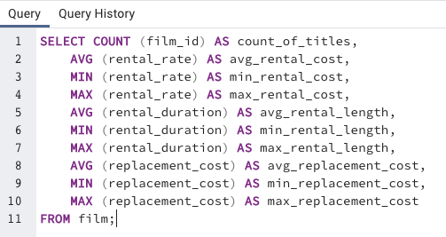
count_of_titles | avg_rental_cost | min_rental_cost | max_rental_cost | avg_rental_length | min_rental_length | max_rental_length | avg_replacement_cost | min_replacement_cost | max_replacement_cost
1000 | 2.98 | 0.99 | 4.99 | 4.985 | 3 | 7 | 19.984 | 9.99 | 29.99

Ratings
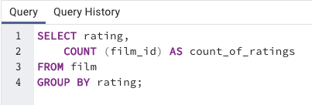
rating | count_of_ratings
R | 195
NC-17 | 210
G | 178
PG | 194
PG-13 | 223

Rev_Cat
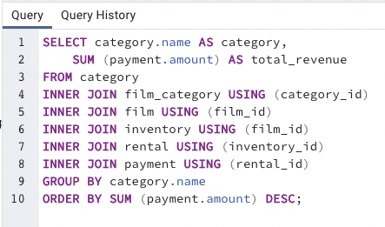
category | total_revenue
Sports | 4892.19
Sci-Fi | 4336.01
Animation | 4245.31
Drama | 4118.46
Comedy | 4002.48
New | 3966.38
Action | 3951.84
Foreign | 3934.47
Games | 3922.18
Family | 3782.26
Documentary | 3749.65
Horror | 3401.27
Classics | 3353.38
Children | 3309.39
Travel | 3227.36
Music | 3071.52
Thriller | 47.89

Rev_10by10
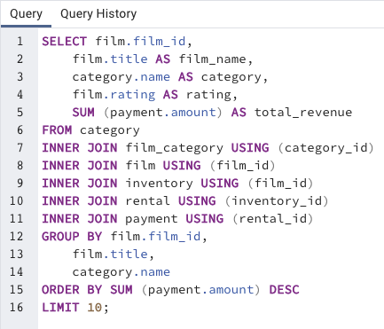
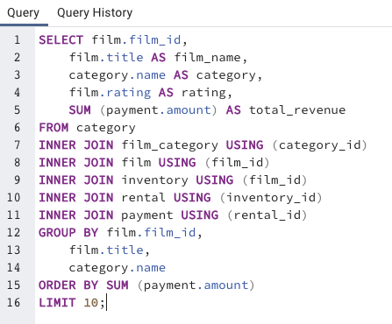
film_id | film_name | category | rating | total_revenue
879 | Telegraph Voyage | Music | PG | 215.75
1000 | Zorro Ark | Comedy | NC-17 | 199.72
973 | Wife Turn | Documentary | NC-17 | 198.73
460 | Innocent Usual | Foreign | PG-13 | 191.74
444 | Hustler Party | Comedy | NC-17 | 190.78
764 | Saturday Lambs | Sports | G | 190.74
893 | Titans Jerk | Sci-Fi | PG | 186.73
403 | Harry Idaho | Drama | PG-13 | 177.73
897 | Torque Bound | Drama | G | 169.76
239 | Dogma Family | Animation | G | 168.72
261 | Duffel Apocalypse | Documentary | G | 5.94
635 | Oklahoma Jumanji | New | PG | 5.94
885 | Texas Watch | Horror | NC-17 | 5.94
335 | Freedom Cleopatra | Comedy | PG-13 | 5.95
718 | Rebel Airport | Music | G | 6.93
996 | Young Language | Documentary | G | 6.93
196 | Cruelty Unforgiven | Classics | G | 6.94
910 | Treatment Jekyll | Drama | PG | 6.94
523 | Lights Deer | Classics | R | 7.93
475 | Japanese Run | Horror | G | 7.94

Geo
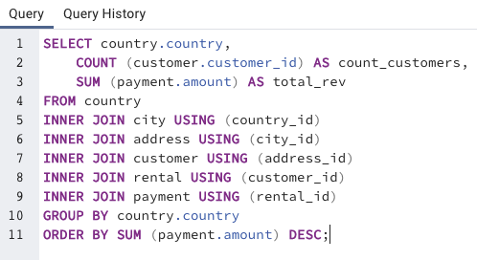
country | count_customers | total_rev
India | 1421 | 6032.79
China | 1296 | 5247.04
United States | 873 | 3694.27
Japan | 748 | 3121.52
Mexico | 718 | 2984.82
Brazil | 681 | 2919.19
Russian Federation | 638 | 2765.62
Philippines | 530 | 2219.7
Turkey | 351 | 1498.49
Indonesia | 331 | 1352.69
Nigeria | 308 | 1314.92
Argentina | 320 | 1298.8
Taiwan | 290 | 1155.1
South Africa | 254 | 1069.46
Iran | 204 | 877.96
United Kingdom | 203 | 848.97
Poland | 184 | 786.16
Italy | 174 | 753.26
Germany | 176 | 741.24
Vietnam | 155 | 676.45
Ukraine | 147 | 675.53
Colombia | 146 | 661.54
Egypt | 152 | 659.48
Venezuela | 157 | 632.43
Canada | 130 | 559.7
Netherlands | 127 | 557.73
South Korea | 123 | 527.77
Spain | 120 | 513.8
Yemen | 107 | 473.93
Pakistan | 116 | 473.84
Saudi Arabia | 106 | 452.94
Peru | 99 | 407.01
Thailand | 92 | 401.08
Israel | 87 | 379.13
Ecuador | 82 | 369.18
Bangladesh | 81 | 353.19
Algeria | 82 | 349.18
France | 88 | 334.12
Malaysia | 77 | 330.23
Tanzania | 78 | 322.22
Mozambique | 75 | 315.25
United Arab Emirates | 75 | 305.25
Dominican Republic | 74 | 304.26
Chile | 66 | 303.34
Austria | 70 | 284.3
Morocco | 65 | 274.35
Paraguay | 60 | 273.4
Belarus | 64 | 271.36
Latvia | 57 | 249.43
Switzerland | 59 | 248.41
Kenya | 51 | 245.49
Yugoslavia | 51 | 233.49
Puerto Rico | 52 | 224.48
Romania | 58 | 218.42
Runion | 45 | 211.55
French Polynesia | 48 | 205.52
Greece | 46 | 204.54
Sudan | 49 | 202.51
Azerbaijan | 47 | 198.53
Bulgaria | 48 | 194.52
Kazakstan | 49 | 192.51
Angola | 45 | 187.55
Cameroon | 51 | 186.49
Myanmar | 47 | 179.53
Cambodia | 49 | 179.51
Bolivia | 44 | 178.56
Congo, The Democratic Republic of the | 42 | 168.58
Oman | 44 | 161.56
Holy See (Vatican City State) | 32 | 146.68
Nauru | 30 | 143.7
Sweden | 33 | 139.67
Czech Republic | 28 | 132.72
Moldova | 34 | 127.66
Turkmenistan | 26 | 126.74
Chad | 28 | 122.72
Malawi | 27 | 121.73
Zambia | 30 | 121.7
Virgin Islands, U.S. | 31 | 121.69
Greenland | 28 | 119.72
Armenia | 25 | 118.75
Gambia | 27 | 114.73
Iraq | 27 | 111.73
Hungary | 29 | 111.71
Bahrain | 24 | 108.76
North Korea | 29 | 107.71
Brunei | 34 | 107.66
Kuwait | 25 | 106.75
Estonia | 28 | 105.72
Hong Kong | 24 | 104.76
Sri Lanka | 27 | 103.73
Liechtenstein | 26 | 99.74
Anguilla | 32 | 99.68
French Guiana | 20 | 97.8
Faroe Islands | 24 | 96.76
Senegal | 24 | 95.76
Nepal | 17 | 93.83
Tuvalu | 22 | 93.78
Madagascar | 21 | 92.79
Ethiopia | 23 | 91.77
New Zealand | 23 | 85.77
Slovakia | 23 | 80.77
Finland | 21 | 78.79
Tunisia | 22 | 73.78
Afghanistan | 18 | 67.82
Tonga | 16 | 64.84
Saint Vincent and the Grenadines | 18 | 64.82
Lithuania | 22 | 63.78
American Samoa | 15 | 47.85

Customer Loyal
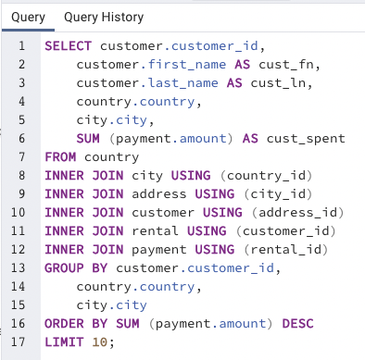
customer_id | cust_fn | cust_ln | country | city | cust_spent
148 | Eleanor | Hunt | Runion | Saint-Denis | 211.55
526 | Karl | Seal | United States | Cape Coral | 208.58
178 | Marion | Snyder | Brazil | Santa Brbara dOeste | 194.61
137 | Rhonda | Kennedy | Netherlands | Apeldoorn | 191.62
144 | Clara | Shaw | Belarus | Molodetno | 189.6
459 | Tommy | Collazo | Iran | Qomsheh | 183.63
181 | Ana | Bradley | United States | Memphis | 167.67
410 | Curtis | Irby | Canada | Richmond Hill | 167.62
236 | Marcia | Dean | Philippines | Tanza | 166.61
403 | Mike | Way | India | Valparai | 162.67

